Sheet1
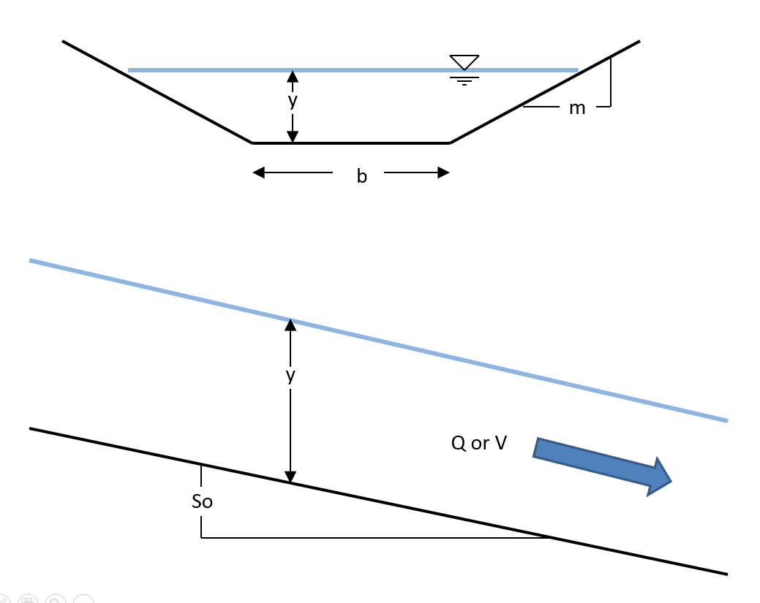
 | Channel Properties |  | Eng or SI
Units | Gravity (g) | 32.2 | 32.2 fpss or 9.81mpss
 | Unit Correction (cc) | 1.49 | 1.49 or 1
Channel | Bottom Width (b) | 15 | ft or m
 | Depth (y) | 2.00 | ft or m
 | Side Slope (m) | 1
 | Bottom Slope (So) | 0.01
 | Manning n: (n) | 0.06
 | Manning Q | 117.70 | V^3/sec.

 | Discharge (Q) | 500.00 | cfs or cms
 | Froude Number: | 1.937
 | Energy ( E ) | 5.36 | L
 | Force (M) | 261.02 | L^3

 | Area (A) | 34 | L^2
 | Velocity (V) | 14.71 | L/sec
 | Wetted Per. (Pw) | 20.656854249 | L
 | Hydraulic Rad.( Rh ) | 1.65 | L |  |  |  |  |  |  | 281.6

 |  | 1.57 | 1.82 |  |  |  |  |  | 5.13
 | DELTA X | 1 | 2 |  | avg
 | Discharge (Q) | 500.00 | 500.00 | cfs or cms
 | Froude Number: | 2.838 | 2.254
 | Energy ( E ) | 7.33 | 5.98 | L
 | Force (M) | 318.84 | 281.00 | L^3

 | Area (A) | 25.953201755 | 30.533544936 | L^2
 | Velocity (V) | 19.27 | 16.38 | L/sec | 17.820439049
 | Wetted Per. (Pw) | 19.431008661 | 20.13576921 | L |  | Sf bar | 0.32082297733 | L/L
 | Hydraulic Rad.( Rh ) | 1.34 | 1.52 | L | 1.4260211733 | Delta X | 4 | L

